Descriptive Statistics
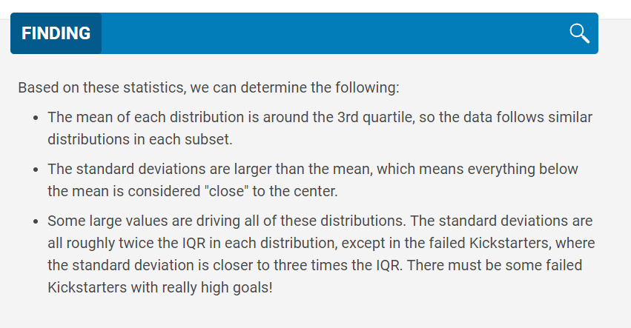
 | Successful | Failed
Mean Goal | $5,049 | $10,554
Median Goal | $3,000 | $5,000
Standard Deviation of Goal | $7,749 | $21,968
Upper Quartile of Goal | $5,000 | $10,000
Lower Quartile of Goal | $1,500 | $2,000
IQR of Goal | $3,500 | $8,000

Mean Pledged | $5,602 | $559
Median Pledged | $3,168 | $103
Standard Deviation of Pledged | $8,335 | $1,331
Upper Quartile of Pledged | $5,699 | $501
Lower Quartile of Pledged | $1,717 | $9
IQR of Pledged | $3,982 | $492

Category Statistics
country | GB

Subcategory Outcomes
Count of outcomes | Column Labels
Row Labels | failed | live | successful | Grand Total
theater | 70 | 6 | 238 | 314
plays | 70 | 6 | 238 | 314
Grand Total | 70 | 6 | 238 | 314

Outcome per creation date
Category | theater

theater projects
 | canceled | failed | live | successful
Jan | 7 | 33 | 2 | 56
Feb | 3 | 39 | 8 | 71
Mar | 3 | 33 | 14 | 56
Apr | 2 | 40 |  | 71
May | 3 | 52 |  | 111
Jun | 4 | 49 |  | 100
Jul | 1 | 50 |  | 87
Aug | 4 | 47 |  | 72
Sep | 4 | 34 |  | 59
Oct |  | 50 |  | 65
Nov | 3 | 31 |  | 54
Dec | 3 | 35 |  | 37
Count of outcomes | Column Labels
Row Labels | canceled | failed | live | successful | Grand Total
Jan | 7 | 33 | 2 | 56 | 98
Feb | 3 | 39 | 8 | 71 | 121
Mar | 3 | 33 | 14 | 56 | 106
Apr | 2 | 40 |  | 71 | 113
May | 3 | 52 |  | 111 | 166
Jun | 4 | 49 |  | 100 | 153
Jul | 1 | 50 |  | 87 | 138
Aug | 4 | 47 |  | 72 | 123
Sep | 4 | 34 |  | 59 | 97
Oct |  | 50 |  | 65 | 115
Nov | 3 | 31 |  | 54 | 88
Dec | 3 | 35 |  | 37 | 75
Grand Total | 37 | 493 | 24 | 839 | 1393

In the Rows field, you may notice there are three items instead of a single item: Years, Quarters, and Date Created Conversion. This is a conversion automatically completed by Excel; because we want our table to only display the months, you can drag and drop the other two items (Years and Quarters) to remove them from the Pivot Table Fields.
For example, select the Years item by left clicking on it and without letting go, drag the item to the spreadsheet and release your mouse button. This will remove the unnecessary value from the field. Repeat the process as often as needed so only the Date Created Conversion item is in the Rows field.

Images
